Project5255
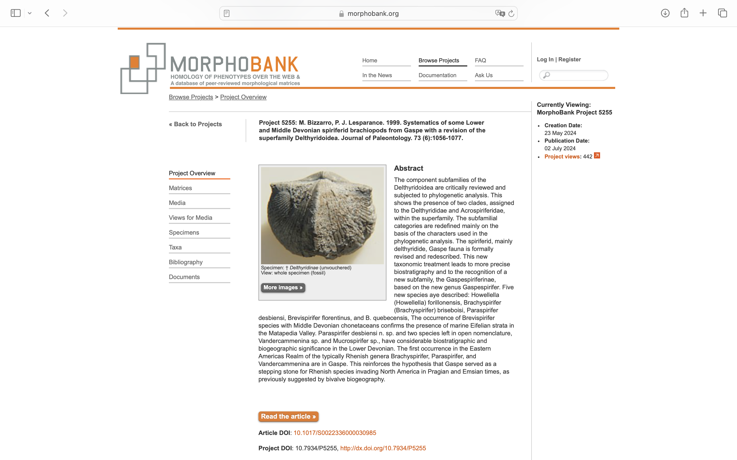
Charlabels | Character Pattern | Unseen States
[1] 'Shape' | Transformational | YES
[2] 'Crural plates' | Neomorphic | NO
[3] 'Ventral medium septum' | Neomorphic | NO
[4] 'Ornamentation of fold and sulcus' | Transformational | YES
[5] 'Outline' | Transformational | YES
[6] 'Micro-ornamenation' | Transformational | NO
[7] 'Groth patterns' | Transformational | YES
[8] 'Bifurcating shell plications' | Neomorphic | NO
[9] 'Position of ctenophoridium' | Transformational | YES

